Sheet2
Count of survived | Column Labels |  |  |  | Count of survived | Column Labels
Row Labels | Survived | Died | Grand Total |  | Row Labels | Survived | Died | Grand Total
female | 72.75% | 27.25% | 100.00% |  | First | 61.92% | 38.08% | 100.00%
First | 96.53% | 3.47% | 100.00% |  | Second | 42.96% | 57.04% | 100.00%
Second | 88.68% | 11.32% | 100.00% |  | Third | 25.53% | 74.47% | 100.00%
Third | 49.07% | 50.93% | 100.00% |  | Grand Total | 38.20% | 61.80% | 100.00%
male | 19.10% | 80.90% | 100.00%
First | 34.08% | 65.92% | 100.00%
Second | 14.62% | 85.38% | 100.00%
Third | 15.21% | 84.79% | 100.00%
Grand Total | 38.20% | 61.80% | 100.00%

Count of survived | Column Labels |  |  |  | Count of survived | Column Labels
Row Labels | Survived | Died | Grand Total |  | Row Labels | Survived | Died | Grand Total
0-5 | 64.71% | 35.29% | 100.00% |  | C | 55.56% | 44.44% | 100.00%
5-10 | 54.84% | 45.16% | 100.00% |  | female | 90.27% | 9.73% | 100.00%
10-15 | 40.74% | 59.26% | 100.00% |  | First | 97.18% | 2.82% | 100.00%
15-20 | 38.79% | 61.21% | 100.00% |  | Second | 100.00% | 0.00% | 100.00%
20-25 | 38.59% | 61.41% | 100.00% |  | Third | 70.97% | 29.03% | 100.00%
25-30 | 35.00% | 65.00% | 100.00% |  | male | 30.57% | 69.43% | 100.00%
30-35 | 40.91% | 59.09% | 100.00% |  | First | 40.00% | 60.00% | 100.00%
35-40 | 44.00% | 56.00% | 100.00% |  | Second | 29.41% | 70.59% | 100.00%
40-45 | 28.99% | 71.01% | 100.00% |  | Third | 21.43% | 78.57% | 100.00%
45-50 | 48.48% | 51.52% | 100.00% |  | Q | 35.77% | 64.23% | 100.00%
50-55 | 48.84% | 51.16% | 100.00% |  | female | 61.67% | 38.33% | 100.00%
55-60 | 40.74% | 59.26% | 100.00% |  | First | 100.00% | 0.00% | 100.00%
60-65 | 37.04% | 62.96% | 100.00% |  | Second | 100.00% | 0.00% | 100.00%
65-70 | 0.00% | 100.00% | 100.00% |  | Third | 58.93% | 41.07% | 100.00%
70-75 | 0.00% | 100.00% | 100.00% |  | male | 11.11% | 88.89% | 100.00%
75-80 | 100.00% | 0.00% | 100.00% |  | First | 0.00% | 100.00% | 100.00%
Grand Total | 40.82% | 59.18% | 100.00% |  | Second | 0.00% | 100.00% | 100.00%
 |  |  |  |  | Third | 12.28% | 87.72% | 100.00%
 |  |  |  |  | S | 33.26% | 66.74% | 100.00%
 |  |  |  |  | female | 68.04% | 31.96% | 100.00%
 |  |  |  |  | First | 95.65% | 4.35% | 100.00%
 |  |  |  |  | Second | 87.10% | 12.90% | 100.00%
 |  |  |  |  | Third | 39.53% | 60.47% | 100.00%
 |  |  |  |  | male | 17.01% | 82.99% | 100.00%
 |  |  |  |  | First | 30.56% | 69.44% | 100.00%
 |  |  |  |  | Second | 13.42% | 86.58% | 100.00%
 |  |  |  |  | Third | 14.48% | 85.52% | 100.00%
 |  |  |  |  | Grand Total | 38.10% | 61.90% | 100.00%

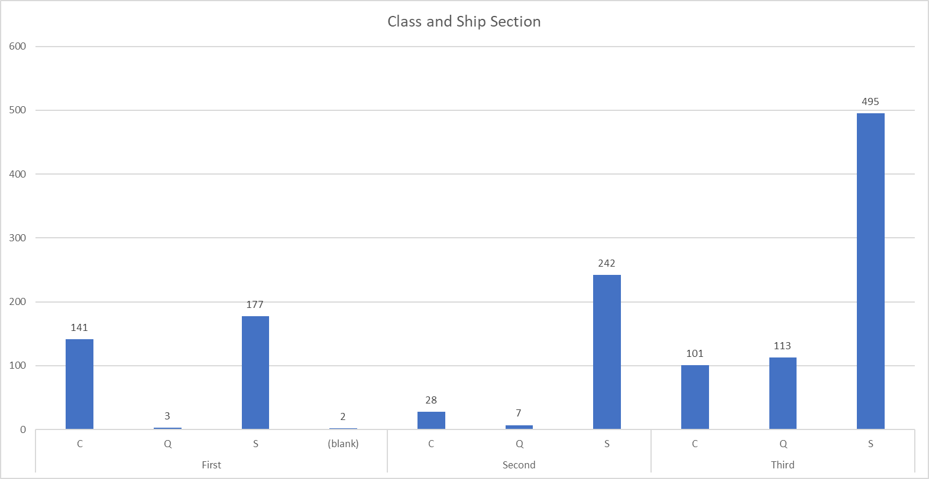

Count of survived | Column Labels
 | male |  | male Total | female |  | female Total | Grand Total
Row Labels | Survived | Died |  | Survived | Died
0-5 | 17 | 10 | 27 | 16 | 8 | 24 | 51
5-10 | 8 | 8 | 16 | 9 | 6 | 15 | 31
10-15 | 4 | 11 | 15 | 7 | 5 | 12 | 27
15-20 | 5 | 59 | 64 | 40 | 12 | 52 | 116
20-25 | 19 | 96 | 115 | 52 | 17 | 69 | 184
25-30 | 26 | 88 | 114 | 30 | 16 | 46 | 160
30-35 | 18 | 69 | 87 | 36 | 9 | 45 | 132
35-40 | 12 | 47 | 59 | 32 | 9 | 41 | 100
40-45 | 6 | 44 | 50 | 14 | 5 | 19 | 69
45-50 | 10 | 29 | 39 | 22 | 5 | 27 | 66
50-55 | 6 | 21 | 27 | 15 | 1 | 16 | 43
55-60 | 1 | 15 | 16 | 10 | 1 | 11 | 27
60-65 | 2 | 15 | 17 | 8 | 2 | 10 | 27
65-70 |  | 5 | 5 |  |  |  | 5
70-75 |  | 6 | 6 |  |  |  | 6
75-80 | 1 |  | 1 | 1 |  | 1 | 2
Grand Total | 135 | 523 | 658 | 292 | 96 | 388 | 1046

